Efficiency Improvements
indst/BIEEI
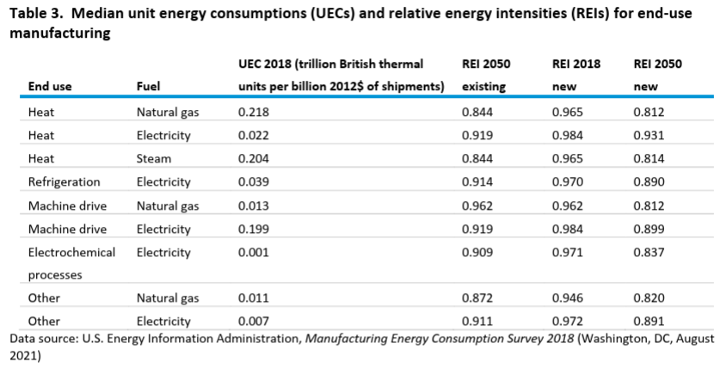

 |  |  | UEC 2018 (trillion British thermal | REI 2050 | 2018 | 2050 |  |  | improvement
 | End use | Fuel | units per billion 2012$ of shipments) | existing | new REI | new REI | 2021 | 2050 | over model run | annual improvement
 | Heat | Natural gas | 0.218 | 0.844 | 0.965 | 0.812 | 0.951 | 0.812 | 14.59% | 0.54%
 | Heat | Electricity | 0.022 | 0.919 | 0.984 | 0.931 | 0.979 | 0.931 | 4.91% | 0.17%
 | Heat | Steam | 0.204 | 0.844 | 0.965 | 0.814 | 0.951 | 0.814 | 14.39% | 0.53%
 | Refrigeration | Electricity | 0.039 | 0.914 | 0.97 | 0.89 | 0.962 | 0.89 | 7.53% | 0.27%
 | Machine drive | Natural gas | 0.013 | 0.962 | 0.962 | 0.812 | 0.948 | 0.812 | 14.34% | 0.53%
 | Machine drive | Electricity | 0.199 | 0.919 | 0.984 | 0.899 | 0.976 | 0.899 | 7.89% | 0.28%
 | Electrochemical | Electricity | 0.001 | 0.909 | 0.971 | 0.837 | 0.958 | 0.837 | 12.67% | 0.47%
 | processes Other | Natural gas | 0.011 | 0.872 | 0.946 | 0.82 | 0.934 | 0.82 | 12.22% | 0.45%
 | Other | Electricity | 0.007 | 0.911 | 0.972 | 0.891 | 0.964 | 0.891 | 7.61% | 0.27%

Machine Drive
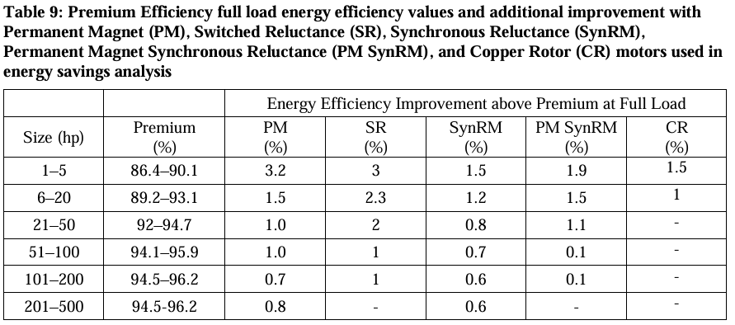
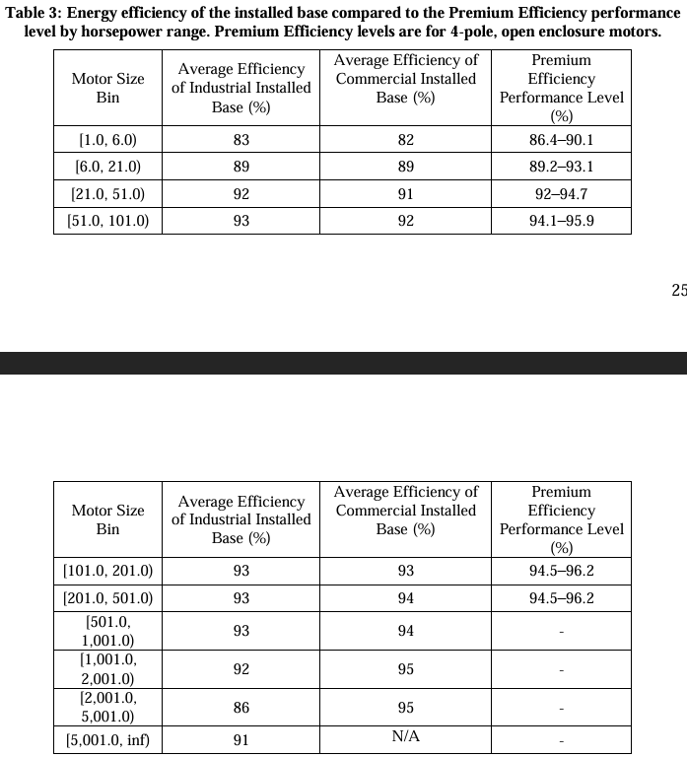
Table 3: Energy efficiency of the installed base compared to the Premium Efficiency performance
level by horsepower range. Premium Efficiency levels
 | Motor Size Bin | Average Efficiency of Industrial Installed Base (%) | Average Efficiency of Commercial Installed Base (%) | Premium Efficiency Performance Level (%) |  | advanced motor % improvement at full load (permanent magnet)
 |  |  |  | (%)
 | [1.0, 6.0) | 83 | 82 | 86.4—90.1 | 90.1 | 3.2 | 93.3
 | [6.0, 21.0) | 89 | 89 | 89.2_93.1 | 93.1 | 1.5 | 94.6
 | [21.0. 51.0) | 92 | 91 | 92_94.7 | 94.7 | 1 | 95.7
 | [51.0, 101.0) | 93 | 92 | 94.1-95.9 | 95.9 | 1 | 96.9
 | [101.0, 201.0) | 93 | 93 | 94.5_96.2 | 96.2 | 0.7 | 96.9
 | [201.0. 501.0) | 93 | 94 | 94.5-96.2 | 96.2 | 0.8 | 97
 | [501.0, 1,001.0) | 93 | 94 |  | 96.2 |  | 96.2
 | [1,001.0, 2,001.0) | 92 | 95 |  | 96.2 |  | 96.2
 | [2,001.0, 5,001.0) | 86 | 95 |  | 96.2 |  | 96.2
 | [5,001.0, ino | 91 | N/A |  | 96.2 |  | 96.2

 |  | Annual Electricity Consumption (TWh/yr)
 | [1.0, 6.0) | 26 |  | Implementation of variable frequency drives on variably underloaded motor systems
 | [6.0, 21.0) | 68 |  | 8%
 | [21.0. 51.0) | 87 |  | reduction in motor drive efficiency due to low load inefficiency
 | [51.0, 101.0) | 72
 | [101.0, 201.0) | 64
 | [201.0. 501.0) | 94
 | [501.0, 1,001.0) | 63
 | [1,001.0, 2,001.0) | 35
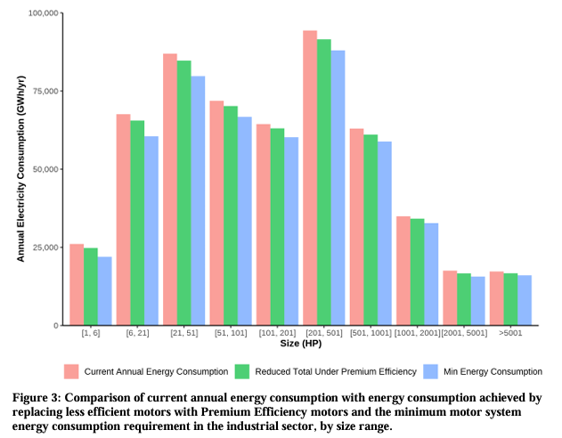
 | [2,001.0, 5,001.0) | 18
 | [5,001.0, ino | 17

 |  | Industry-wide Efficiency | Potential
 |  | 84% | 96%
 |  | 1.1974603907 | 1.0406198307

 |  | Diesel generator / NG combustion turbine
 |  | 40%
 |  | 2.5

Heat pumps
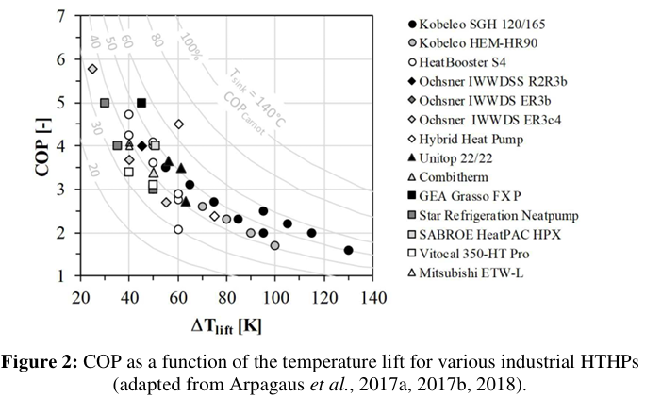

COP: | 3.7 | COP for the <100 °C band (Agora Industry Power-2-Heat calculator) | Direct electric heating efficiency (200-1000 °C, resistance/induction)
Energy intensity | 0.27027027027 |  | 99%

COP: | 3.5 | for HVAC systems with lower temperature lift than in process uses
Energy intensity | 0.28571428571

COP (100-200 °C): | 2.23 | Higher-temperature-lift heat pump for the 100-200 °C band
Energy intensity | 0.448

Cooling
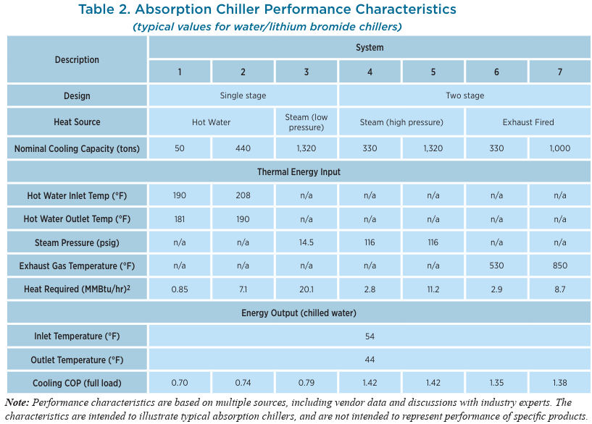
Chiller
 |  | Avg COP | Avg Energy Intensity
 | 0.7 | 1.1142857143 | 0.89743589744
 | 0.74
 | 0.79
 | 1.42
 | 1.42
 | 1.35
 | 1.38

https://www.energy.gov/sites/prod/files/2017/06/f35/CHP-Absorption%20Chiller-compliant.pdf
Example w/ efficiency of 0.48-0.55 kW/ton

 | COP = 3.516/(kW/ton)
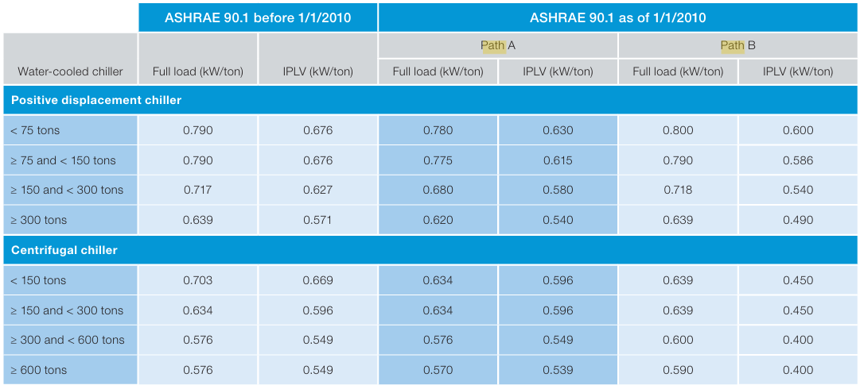
 |  | positive | kW/t | COP | Avg COP | Avg Intensity
 |  | <75 t | 0.79 | 4.4506329114 | 5.257859508 | 0.19019146451
 |  | 75-150 | 0.79 | 4.4506329114
 |  | 150-300 | 0.717 | 4.9037656904
 |  | >300 | 0.639 | 5.5023474178
 |  | centrifugal
 |  | <150 | 0.703 | 5.0014224751
 |  | 150-300 | 0.634 | 5.5457413249
 |  | 300-600 | 0.576 | 6.1041666667
 |  | >600t | 0.576 | 6.1041666667

Other
Ag tractors (mobile equipment)
Diesel
Tractor | η | energy intensity | nom P [kW] | nom w [rpm] | reference |  | ref 19 // open circles are added via post processing and represent the weighted
unkn. | 0.30 | 3.300 | 58.8 | 2500 | 19 |  | average load & engine speeds from ref 20 scaled by nominal engine speeds
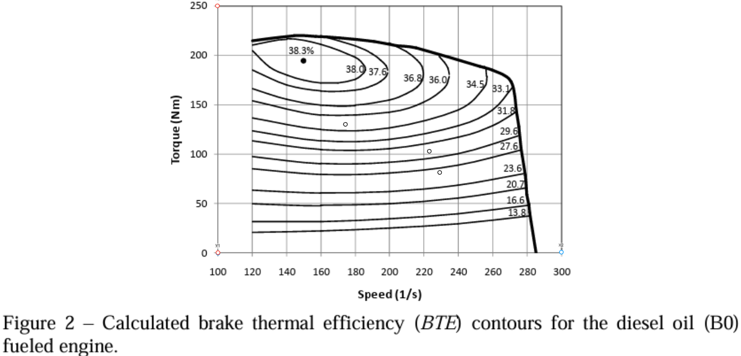
4WD / MFWD | 0.31 | 3.257 | 245/127 | 2100 | 20

Electric
Tractor | η | energy intensity
PM Electric Motor | 0.87533333333 | 1.1424219345 | 150 (overload) | 2600 | 21
charging adjusted | 0.76591666667 | 1.305625068 |  |  | 22,25
Custom autonomous | 0.64890826648 | 1.5410498705 | 50 |  | 23
Simulated autonomous | 0.72615925059 | 1.3771083949 |  |  | 24

Reduction in fuel use
Average | 57%

 |  |  |  |  |  |  | ref 21 // open circles are added via post processing and represent the weighted
 |  |  |  |  |  |  | average load & engine speeds from ref 20 scaled by nominal engine speeds
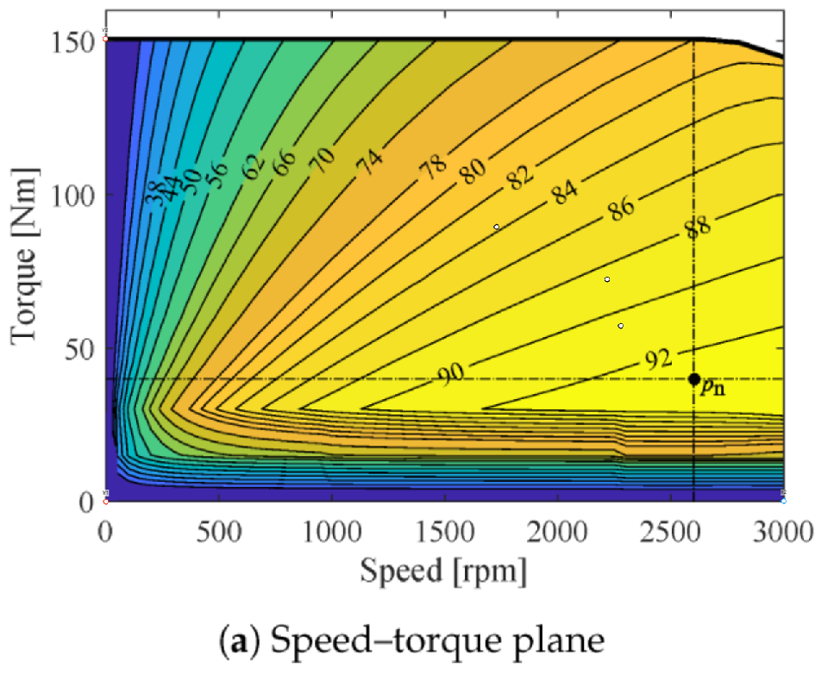

Ref 20 |  |  | (from figure)
Tables 2-5 | weighted values |  | max t at speed | load (fig 16) | speed on fig 2 | speed on fig 14 | torque on fig 2 | torque on fig 14 | % of total field time |  |  | weighted average torque % |  |  | weighted average engine speed |  |  | weighted-average torque | weighted-average engine speed
Field operation | t (%) | w (s^-1) |  |  |  |  |  |  | TS-I | TS-II | TS-III | TS-I | TS-II | TS-III | TS-I | TS-II | TS-III
NH3 application | 42 | 1841 | 213 | 0.38 | 229 | 2279 | 81 | 57 | 8 | 22 | 70 | 8 | 23 | 52 | 884 | 1711 | 2009 | 42.1 | 1853.44
 |  |  |  |  |  |  |  |  | 8 | 21 | 71 | 9 | 24 | 50 | 955 | 1718 | 1959 | 41.26 | 1828.07
Field cultivation | 56 | 1792 | 215 | 0.48 | 223 | 2219 | 103 | 72 | 4 | 25 | 71 | 13 | 33 | 66 | 1455 | 1568 | 1767 | 55.63 | 1704.77
 |  |  |  |  |  |  |  |  | 3 | 27 | 70 | 13 | 35 | 68 | 1543 | 1696 | 1964 | 57.44 | 1879.01
 |  |  |  |  |  |  |  |  | 3 | 24 | 73 | 13 | 33 | 63 | 905 | 1541 | 1827 | 54.3 | 1730.7
Corn planting | 73 | 1396 | 220 | 0.59 | 174 | 1728 | 130 | 89 | 41 | 59 |  | 37 | 76 |  | 904 | 1514 |  | 60.01 | 1263.9
 |  |  |  |  |  |  |  |  | 4 | 96 |  | 36 | 81 |  | 1433 | 1532 |  | 79.2 | 1528.04
 |  |  |  |  |  |  |  |  | 2 | 98 |  | 35 | 82 |  | 1492 | 1545 |  | 81.06 | 1543.94

Combustion Efficiency
Combustion Efficiency Without Waste Heat Recovery
Low-Temp Data | Efficiency | Source | Ratio Relative to Natural Gas | LHV/HHV ratio | Furnace-duty deduction
Coal-fired boiler or furnace (<500 °C) | 80% | State Council of China | 1.024 | 95% | 3%
Petroleum-fired boiler or furnace (<500 °C) | 88% | Taishan Group | 1.045 | 95% | 1%
Natural gas-fired boiler or furnace (<500 °C) | 92% | State Council of China | 1.000 | 90% | 0%

DOE Temperature vs. Efficiency Curve
Source: 26 (see References)
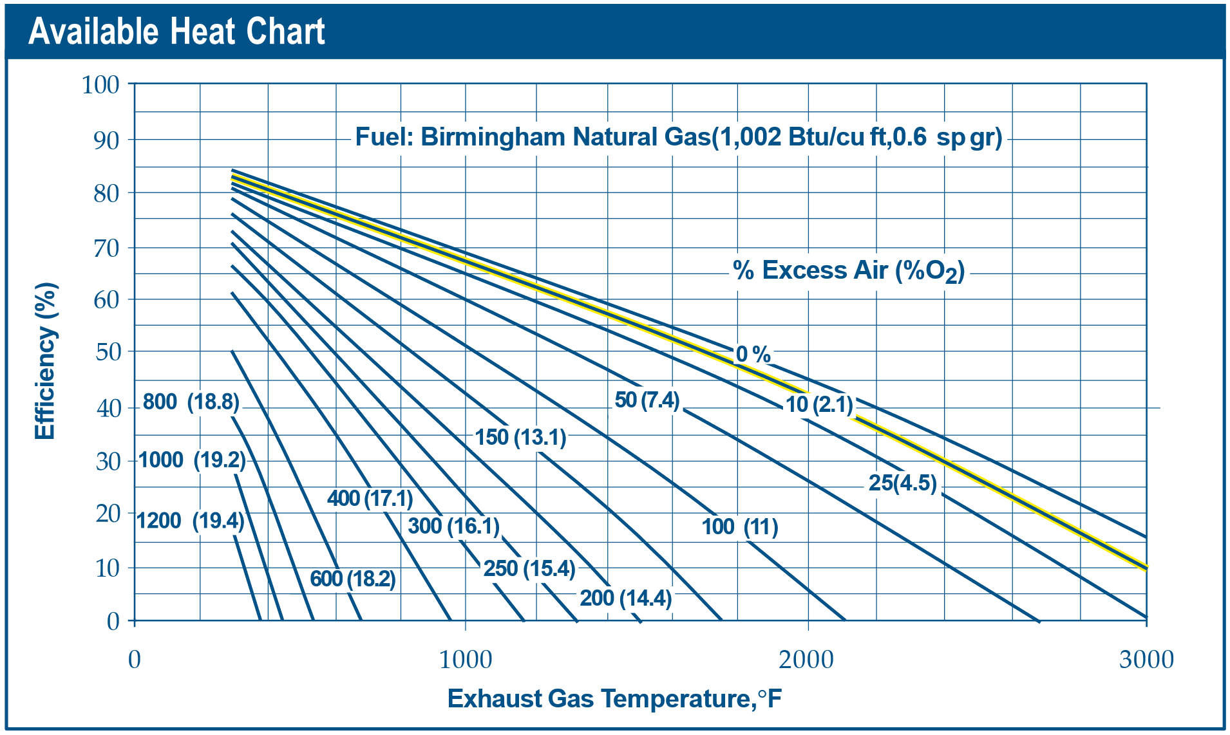

We select a reference temperature to represent each temperature band in this study. We pick temperatures that line up with one of the
200-F increment lines in the DOE figure above and that are close to the center of each temperature band. (The temperature bands are
defined in Celsius.)

Then we choose the value on the 10% excess air curve from the DOE figure above. We use the 10% curve because
DOE indicates: "Most high temperature direct-fired furnaces, radiant tubes, and boilers operate with about 10% to 20% excess combustion air at high fire to prevent the formation of dangerous carbon monoxide and soot deposits on heat transfer surfaces and inside radiant tubes."

Temperature band from this study | Reference temp. (F) | Reference temp (C) | Efficiency from DOE Curve | Note
<100 C | 200 | 93 | 85% | Extrapolated from DOE efficiency curve, which does not go lower than 300 F
100-200 C | 300 | 149 | 83%
200-500 C | 600 | 315 | 75%
500-1000 C | 1400 | 760 | 57%
1000-1800 C | 2600 | 1426 | 23%

Fuel Type Adjustments
Temperature band from this study | Coal efficiency | Petroleum efficiency | NG efficiency
<100 °C | 87% | 89% | 85%
100-200 °C | 85% | 87% | 83%
200-500 °C | 77% | 78% | 75%
500-1000 °C | 58% | 60% | 57%
1000-1800 °C | 24% | 24% | 23%

Combustion Efficiency With Waste Heat Recovery
Efficiency Curve for Equipment with Waste Heat Recovery
Source: 32 (see References)
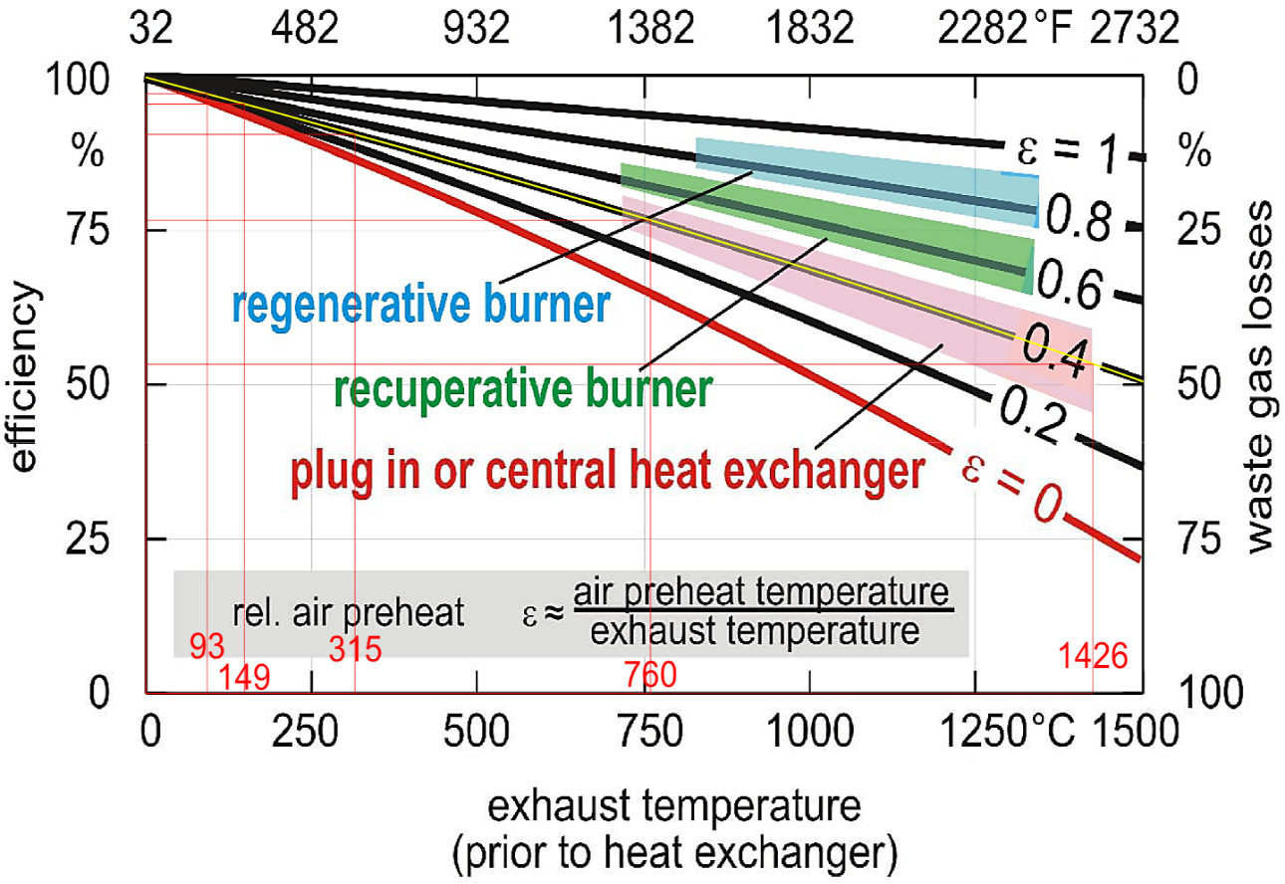

This file credits UNIT-level waste heat recovery only — recovery integral to the burner/furnace: recuperative and regenerative burners and burner-integrated combustion-air preheat.
System-level WHR (bolt-on/central heat exchangers, economizers, heat-to-power/ORC, and process integration) is handled in a separate efficiency file and is NOT credited here.

For equipment with burner-integral recovery we take the recuperative-burner curve from the 'Mickey data' tab (col D) at each band's reference temperature. For the 500-1000 and
1000-1800 C bands we credit glass's share of recovery-equipped heat at the higher regenerative-burner curve (col E); weights in E92:E93. (This curve previously used the central-heat-exchanger column in error.)
We use the same reference temperatures as chosen for the DOE graph above, rounded to the nearest 10.
Curve basis (Source 32): e=0.6 = self-recuperative burner (recuperator integral to the burner) and e=0.8 = regenerative burner — both burner-integral/unit WHR. e=0.4 (plug-in recuperator/central heat exchanger) is system WHR and is NOT used here; the curve previously pulled that column in error.

Temperature band from this study | Reference temp. (°C) | Corresponding efficiency: recuperative-burner curve (+ regen. credit for glass, high-T bands) |  | Glass regen. weight
<100 °C | 90 | 97%
100-200 °C | 150 | 96%
200-500 °C | 350 | 92%
500-1000 °C | 750 | 83% |  | 6.1%
1000-1800 °C | 1500 | 66% |  | 17.7%

Fuel Type Adjustments
Temperature band from this study | Coal efficiency | Petroleum efficiency | NG efficiency
<100 °C | 100% | 102% | 97%
100-200 °C | 98% | 100% | 96%
200-500 °C | 94% | 96% | 92%
500-1000 °C | 85% | 86% | 83%
1000-1800 °C | 67% | 69% | 66%

Blended Efficiency (WHR-penetration and boiler-share weighted)
Temperature band from this study | Coal efficiency | Petroleum efficiency | NG efficiency | WHR penetration | Boiler share of band heat
<100 °C | 87% | 89% | 85% | 0% | 0%
100-200 °C | 85% | 87% | 83% | 0% | 0%
200-500 °C | 76% | 76% | 73% | 5% | 55%
500-1000 °C | 59% | 60% | 58% | 17% | 0%
1000-1800 °C | 49.5% | 50.1% | 48.9% | 59% | 0%

Why These WHR Penetration Values (unit vs. system WHR)
WHR penetration (column E above) is the share of fuel use in each temperature band served by equipment with BURNER-INTEGRAL waste heat recovery
(recuperative/regenerative burners, burner-integrated air preheat); the blended efficiency weights the with- and without-recovery curves accordingly.
Taxonomy: this file credits UNIT-level WHR only. System-level WHR — bolt-on/central heat exchangers, economizers, heat-to-power/ORC, process integration — belongs in the separate efficiency file.
High bands (500-1000, >1000 C): penetration is DERIVED — Kermeli et al. 2022 burner/preheater diffusions (rows 124-134) weighted by each industry's
share of band heat ('indst heat consumption' tab). E108 = B133 (~33%); E109 = B134 (~47%). The 500-1000 result is driven by the 'Other' (refinery/chemical) input B131.
Low bands (<100, 100-200 C): penetration = 0. Recuperative/regenerative burners need hot flue gas, so there is effectively no burner-integral recovery at boiler/low-temp conditions;
the recovery that occurs there (economizers, condensing HX) is bolt-on/system WHR, credited in the separate file — not here.
Mid band (200-500 C, E107 = 15%): a judgment estimate. Kermeli 2022 has no burner/air-preheat diffusion for this band's dominant industries (chemicals, pulp & paper, food, refining),
which are mostly steam/dryer heat (economizer territory). 15% reflects only the direct-fired process-heater slice (~28% of band heat) plausibly fitted with combustion-air preheat.
Sensitivity: the with/without curves diverge most at high temperature, so the high-band penetrations drive the result; the low bands move the blend little.
Cross-file handoff: the <500 C economizer/condensing recovery and the refinery/chemical air-preheater (APH) recovery excluded here are SYSTEM WHR — the separate system-WHR file must credit them so recovery is not dropped, and must avoid double-counting high-band system WHR against the burner recovery credited here.

Start-Year Burner-Recovery Penetration (derived: Kermeli diffusion × industry share of band heat)
Industry / process | 2015 diffusion | Share of 500-1000 °C heat | Share of >1000 °C heat
Secondary aluminum (regen/recup burner) | 30% | 1.8% | 3.3%
Aluminum foundries (regen/recup burner) | 50% | 1.8% | 3.3%
Iron & steel (blended: BF stoves + reheat) | 80% | 1.1% | 38.7%
Glass (regenerative furnace) | 90% | 1.2% | 11.6%
Cement (preheater/precalciner) | 49% | 11.8% | 26.8%
Other high-temp industries | 10% | 82.3% | 16.4%

Derived penetration, 500-1000 °C | 17%
Derived penetration, >1000 °C | 59%

Boiler / Direct-Fired Split Within Bands (T1) — inputs for the boiler-share blend in rows 105-109
Steam distribution loss (share of boiler output lost in distribution before the process) | 12%

Boiler-path efficiency (= boiler efficiency row 3-5 × (1 − distribution loss)) | 79% | 78% | 75%
US boiler combustion efficiency, HHV basis (DOE Steam Tip Sheet #15, Table 2) — coal / petroleum / natural gas | 90.3% | 89.2% | 85.7%

T6: Fossil delivered-efficiency cross-check & containment calibration (resolves 'Electric Process Heat' cross-check 2)
Band | QTR-implied delivered-eff benchmark | Containment eff (applied to direct-fired slice)
< 100°C | 51.9% | 100%
100-200°C | 59.0% | 100%
200-500°C | 59.5% | 91%
500-1000°C | 70.7% | 94%
> 1000°C | 56.5% | 100%
Method: benchmark = Σ (industry share of band heat × (1 − QTR process-heating loss)). Industry shares from 'indst heat consumption' I:M; losses from QTR 2015 Table 6.I.1 (Ref 36), mapped in column N of that tab. Caveat: QTR losses blend fuel, steam and electric equipment within each sector, so benchmarks are indicative, not exact. Containment (column C) multiplies only the direct-fired slice in rows 105-109; boiler slice already carries real-world boiler efficiency + distribution loss.

T7: Direct-fired duty split — fired heaters vs ovens/dryers/furnaces (refines the T6 containment factors)
Fired-heater share of 200-500 °C band heat (proxy: oil&gas + refining + chemicals + rubber band shares) | 54.5%
Fired-heater share of 500-1000 °C band heat (same proxy) | 69.1%
Oven/dryer/furnace containment efficiency (fuel-agnostic wall/opening/exhaust/idle losses) | 80.8%
>1000 °C left at containment 1.00: the band blend (48.0%) is already below the QTR benchmark (56.5%, B148), and its high burner-WHR penetration (58.7%) is separately modeled; a further containment cut would double-count losses.

T8: REGENERATIVE-BURNER ADDRESSABILITY, >1000 °C (ported from the minimum-UEF file, July 2026)
Sub-sector | Share of >1000 °C heat | Addressable | Why
Glass | 11.6% | 100% | Regenerative (end-port / side-port) melting furnaces are the industry standard — the archetype genuinely applies.
Metal products + other metals | 19.5% | 100% | Reheat, forging and heat-treat furnaces — recuperative/regenerative burners are directly retrofittable.
Iron & steel | 38.7% | 55% | Coking coal is feedstock, so BF/coke reduction energy is outside this pool. Remaining steel heat: hot stoves (already regenerative) + reheat/anneal/sinter/lime.
Cement | 26.8% | 0% | Kiln exhaust is already recovered in the multi-stage cyclone preheater / precalciner tower. Recovery is inherent to the process configuration, not burner-based.
Burner-addressable share of >1000 °C band heat | 54.2%
Non-addressable delivered efficiency, typical-case (cement precalciner kiln / integrated-steel stoves & lime kilns) | 50.0%

Mickey data
Temperature (°C) | No Waste Heat Recovery | Plug-in or Central Heat Exchanger | Recuperative Burner | Regenerative Burner | Theoretical Maximum Efficiency | Source:
0 | 99.95% | 99.46% | 99.42% | 99.97% | 99.95% | Stephen R. Mickey
10 | 99.55% | 99.18% | 99.20% | 99.81% | 99.87% | 2017
20 | 99.14% | 98.90% | 98.98% | 99.66% | 99.78% | Efficient Gas Heating of Industrial Furnaces
30 | 98.73% | 98.62% | 98.76% | 99.50% | 99.70% | https://thermalprocessing.com/efficient-gas-heating-of-industrial-furnaces/
40 | 98.33% | 98.34% | 98.54% | 99.34% | 99.62%
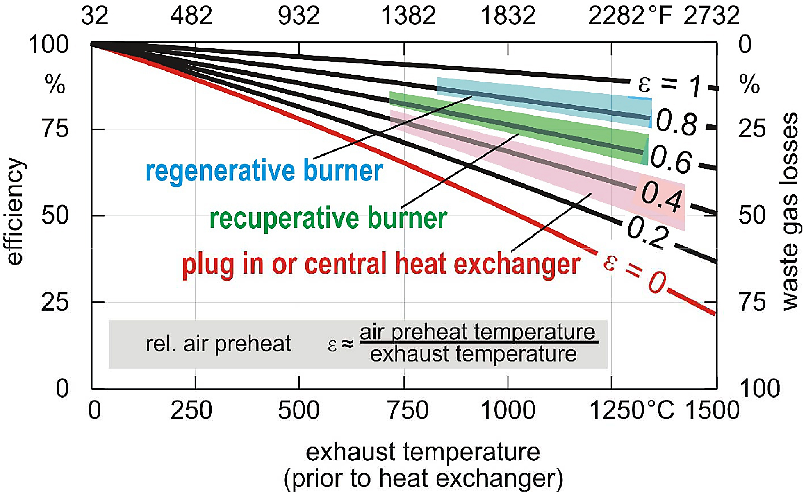
50 | 97.92% | 98.06% | 98.32% | 99.18% | 99.53%
60 | 97.51% | 97.78% | 98.10% | 99.03% | 99.45%
70 | 97.09% | 97.49% | 97.88% | 98.87% | 99.37%
80 | 96.68% | 97.21% | 97.66% | 98.71% | 99.28%
90 | 96.26% | 96.93% | 97.43% | 98.55% | 99.20%
100 | 95.84% | 96.64% | 97.21% | 98.39% | 99.11%
110 | 95.42% | 96.36% | 96.99% | 98.24% | 99.03%
120 | 95.00% | 96.07% | 96.77% | 98.08% | 98.95%
130 | 94.58% | 95.78% | 96.54% | 97.92% | 98.86%
140 | 94.15% | 95.50% | 96.32% | 97.76% | 98.78%
150 | 93.73% | 95.21% | 96.10% | 97.60% | 98.69%
160 | 93.30% | 94.92% | 95.87% | 97.44% | 98.61%
170 | 92.87% | 94.63% | 95.65% | 97.29% | 98.52%
180 | 92.44% | 94.34% | 95.43% | 97.13% | 98.44%
190 | 92.01% | 94.05% | 95.20% | 96.97% | 98.36%
200 | 91.57% | 93.76% | 94.98% | 96.81% | 98.27%
210 | 91.14% | 93.47% | 94.75% | 96.65% | 98.19%
220 | 90.70% | 93.17% | 94.53% | 96.49% | 98.10%
230 | 90.26% | 92.88% | 94.30% | 96.33% | 98.02%
240 | 89.82% | 92.59% | 94.08% | 96.17% | 97.93%
250 | 89.38% | 92.29% | 93.85% | 96.01% | 97.85%
260 | 88.93% | 92.00% | 93.62% | 95.85% | 97.76%
270 | 88.49% | 91.70% | 93.40% | 95.69% | 97.68%
280 | 88.04% | 91.41% | 93.17% | 95.53% | 97.59%
290 | 87.59% | 91.11% | 92.94% | 95.37% | 97.51%
300 | 87.14% | 90.81% | 92.72% | 95.21% | 97.42%
310 | 86.69% | 90.52% | 92.49% | 95.05% | 97.33%
320 | 86.23% | 90.22% | 92.26% | 94.89% | 97.25%
330 | 85.78% | 89.92% | 92.03% | 94.73% | 97.16%
340 | 85.32% | 89.62% | 91.81% | 94.57% | 97.08%
350 | 84.86% | 89.32% | 91.58% | 94.41% | 96.99%
360 | 84.40% | 89.02% | 91.35% | 94.25% | 96.91%
370 | 83.94% | 88.71% | 91.12% | 94.09% | 96.82%
380 | 83.48% | 88.41% | 90.89% | 93.93% | 96.73%
390 | 83.01% | 88.11% | 90.66% | 93.76% | 96.65%
400 | 82.54% | 87.81% | 90.43% | 93.60% | 96.56%
410 | 82.07% | 87.50% | 90.20% | 93.44% | 96.48%
420 | 81.60% | 87.20% | 89.97% | 93.28% | 96.39%
430 | 81.13% | 86.89% | 89.74% | 93.12% | 96.30%
440 | 80.66% | 86.58% | 89.51% | 92.96% | 96.22%
450 | 80.18% | 86.28% | 89.28% | 92.80% | 96.13%
460 | 79.71% | 85.97% | 89.04% | 92.63% | 96.04%
470 | 79.23% | 85.66% | 88.81% | 92.47% | 95.96%
480 | 78.75% | 85.35% | 88.58% | 92.31% | 95.87%
490 | 78.27% | 85.04% | 88.35% | 92.15% | 95.78%
500 | 77.78% | 84.73% | 88.12% | 91.98% | 95.70%
510 | 77.30% | 84.42% | 87.88% | 91.82% | 95.61%
520 | 76.81% | 84.11% | 87.65% | 91.66% | 95.52%
530 | 76.32% | 83.80% | 87.42% | 91.50% | 95.44%
540 | 75.84% | 83.49% | 87.18% | 91.33% | 95.35%
550 | 75.34% | 83.18% | 86.95% | 91.17% | 95.26%
560 | 74.85% | 82.86% | 86.72% | 91.01% | 95.17%
570 | 74.36% | 82.55% | 86.48% | 90.84% | 95.09%
580 | 73.86% | 82.23% | 86.25% | 90.68% | 95.00%
590 | 73.36% | 81.92% | 86.01% | 90.52% | 94.91%
600 | 72.86% | 81.60% | 85.78% | 90.35% | 94.82%
610 | 72.36% | 81.28% | 85.54% | 90.19% | 94.74%
620 | 71.86% | 80.97% | 85.31% | 90.03% | 94.65%
630 | 71.35% | 80.65% | 85.07% | 89.86% | 94.56%
640 | 70.85% | 80.33% | 84.83% | 89.70% | 94.47%
650 | 70.34% | 80.01% | 84.60% | 89.54% | 94.38%
660 | 69.83% | 79.69% | 84.36% | 89.37% | 94.30%
670 | 69.32% | 79.37% | 84.12% | 89.21% | 94.21%
680 | 68.81% | 79.05% | 83.89% | 89.04% | 94.12%
690 | 68.29% | 78.73% | 83.65% | 88.88% | 94.03%
700 | 67.78% | 78.40% | 83.41% | 88.71% | 93.94%
710 | 67.26% | 78.08% | 83.17% | 88.55% | 93.85%
720 | 66.74% | 77.76% | 82.93% | 88.38% | 93.77%
730 | 66.22% | 77.43% | 82.70% | 88.22% | 93.68%
740 | 65.70% | 77.11% | 82.46% | 88.05% | 93.59%
750 | 65.17% | 76.78% | 82.22% | 87.89% | 93.50%
760 | 64.65% | 76.46% | 81.98% | 87.72% | 93.41%
770 | 64.12% | 76.13% | 81.74% | 87.56% | 93.32%
780 | 63.59% | 75.80% | 81.50% | 87.39% | 93.23%
790 | 63.06% | 75.47% | 81.26% | 87.23% | 93.14%
800 | 62.53% | 75.14% | 81.02% | 87.06% | 93.06%
810 | 62.00% | 74.82% | 80.78% | 86.90% | 92.97%
820 | 61.46% | 74.49% | 80.54% | 86.73% | 92.88%
830 | 60.92% | 74.15% | 80.30% | 86.56% | 92.79%
840 | 60.39% | 73.82% | 80.05% | 86.40% | 92.70%
850 | 59.85% | 73.49% | 79.81% | 86.23% | 92.61%
860 | 59.30% | 73.16% | 79.57% | 86.07% | 92.52%
870 | 58.76% | 72.83% | 79.33% | 85.90% | 92.43%
880 | 58.22% | 72.49% | 79.09% | 85.73% | 92.34%
890 | 57.67% | 72.16% | 78.84% | 85.57% | 92.25%
900 | 57.12% | 71.82% | 78.60% | 85.40% | 92.16%
910 | 56.57% | 71.49% | 78.36% | 85.23% | 92.07%
920 | 56.02% | 71.15% | 78.11% | 85.07% | 91.98%
930 | 55.47% | 70.81% | 77.87% | 84.90% | 91.89%
940 | 54.91% | 70.48% | 77.63% | 84.73% | 91.80%
950 | 54.35% | 70.14% | 77.38% | 84.57% | 91.71%
960 | 53.80% | 69.80% | 77.14% | 84.40% | 91.62%
970 | 53.24% | 69.46% | 76.89% | 84.23% | 91.53%
980 | 52.67% | 69.12% | 76.65% | 84.06% | 91.44%
990 | 52.11% | 68.78% | 76.40% | 83.89% | 91.35%
1000 | 51.55% | 68.44% | 76.16% | 83.73% | 91.26%
1010 | 50.98% | 68.10% | 75.91% | 83.56% | 91.17%
1020 | 50.41% | 67.75% | 75.66% | 83.39% | 91.08%
1030 | 49.84% | 67.41% | 75.42% | 83.22% | 90.99%
1040 | 49.27% | 67.07% | 75.17% | 83.05% | 90.89%
1050 | 48.70% | 66.72% | 74.92% | 82.89% | 90.80%
1060 | 48.12% | 66.38% | 74.68% | 82.72% | 90.71%
1070 | 47.55% | 66.03% | 74.43% | 82.55% | 90.62%
1080 | 46.97% | 65.68% | 74.18% | 82.38% | 90.53%
1090 | 46.39% | 65.34% | 73.93% | 82.21% | 90.44%
1100 | 45.81% | 64.99% | 73.69% | 82.04% | 90.35%
1110 | 45.23% | 64.64% | 73.44% | 81.87% | 90.26%
1120 | 44.64% | 64.29% | 73.19% | 81.70% | 90.16%
1130 | 44.06% | 63.94% | 72.94% | 81.54% | 90.07%
1140 | 43.47% | 63.59% | 72.69% | 81.37% | 89.98%
1150 | 42.88% | 63.24% | 72.44% | 81.20% | 89.89%
1160 | 42.29% | 62.89% | 72.19% | 81.03% | 89.80%
1170 | 41.70% | 62.54% | 71.94% | 80.86% | 89.71%
1180 | 41.10% | 62.19% | 71.69% | 80.69% | 89.61%
1190 | 40.51% | 61.83% | 71.44% | 80.52% | 89.52%
1200 | 39.91% | 61.48% | 71.19% | 80.35% | 89.43%
1210 | 39.31% | 61.12% | 70.94% | 80.18% | 89.34%
1220 | 38.71% | 60.77% | 70.69% | 80.01% | 89.25%
1230 | 38.11% | 60.41% | 70.43% | 79.84% | 89.15%
1240 | 37.51% | 60.06% | 70.18% | 79.67% | 89.06%
1250 | 36.90% | 59.70% | 69.93% | 79.50% | 88.97%
1260 | 36.29% | 59.34% | 69.68% | 79.33% | 88.88%
1270 | 35.69% | 58.98% | 69.42% | 79.16% | 88.78%
1280 | 35.08% | 58.62% | 69.17% | 78.98% | 88.69%
1290 | 34.46% | 58.26% | 68.92% | 78.81% | 88.60%
1300 | 33.85% | 57.90% | 68.66% | 78.64% | 88.51%
1310 | 33.24% | 57.54% | 68.41% | 78.47% | 88.41%
1320 | 32.62% | 57.18% | 68.16% | 78.30% | 88.32%
1330 | 32.00% | 56.82% | 67.90% | 78.13% | 88.23%
1340 | 31.38% | 56.46% | 67.65% | 77.96% | 88.13%
1350 | 30.76% | 56.09% | 67.39% | 77.79% | 88.04%
1360 | 30.14% | 55.73% | 67.14% | 77.61% | 87.95%
1370 | 29.51% | 55.37% | 66.88% | 77.44% | 87.85%
1380 | 28.88% | 55.00% | 66.63% | 77.27% | 87.76%
1390 | 28.26% | 54.63% | 66.37% | 77.10% | 87.67%
1400 | 27.63% | 54.27% | 66.11% | 76.93% | 87.57%
1410 | 26.99% | 53.90% | 65.86% | 76.75% | 87.48%
1420 | 26.36% | 53.53% | 65.60% | 76.58% | 87.39%
1430 | 25.73% | 53.16% | 65.34% | 76.41% | 87.29%
1440 | 25.09% | 52.80% | 65.09% | 76.24% | 87.20%
1450 | 24.45% | 52.43% | 64.83% | 76.06% | 87.10%
1460 | 23.81% | 52.06% | 64.57% | 75.89% | 87.01%
1470 | 23.17% | 51.68% | 64.31% | 75.72% | 86.92%
1480 | 22.53% | 51.31% | 64.06% | 75.54% | 86.82%
1490 | 21.88% | 50.94% | 63.80% | 75.37% | 86.73%
1500 | 21.24% | 50.57% | 63.54% | 75.20% | 86.63%

